1. Title Page
[Instacart Customer Analysis]

Project Name: Instacart Customer Analysis
Date:06/14/2023
Analyst Name: Ugochi Egwu

Contents:
Population Flow
Consistency checks
Wrangling steps
Column derivations
Visualizations
Recommendations

2. Population Flow
Title page

Population flow

Exclusion flag
Condition: max_order < 5
Obervations to be removed: 1,440.295
Final total count of order_products_all: 30,964,564

Orders_products_combined
Orders_products_merged
Orders_products_all

Total:32,404,859
Total: 32,434,489
Total: 32,404,859

1.) The grey boxes in the first row of the population flow represent the original data sets as they were when you downloaded them. In the Total fields you need to add the count of the rows when you imported the data set into Jupyter.
2.) The second row of boxes (coloured) represents the data sets after you manipulated them, e.g., removed missing values and duplicates. In the Total fields you need to add the count of the rows after conducting these operations. This offers a visual oveview of how the data flows throughout the data consistency checks.
3.) The third row, where also the arrows are coloured, represents the merges you performed between the datasets. In the Total fields you need to add the count of the rows in the merged datasets, so that you end up with the final dataset (in the red box). Keep in mind the final dataset should be without exclusions (based on the exclusion flag).

3. Consistency checks
 |  |  |  | Title page
Consistency checks

Dataset | Missing values | Missing values treatment | Duplicates
orders | 206,209 missing from " days_since_order" | There were no changes made | None
products | 16 missing values were found | I removed the missing values | 5 duplicates were found and removed
orders_products_prior | None | N/A | None
customers | None | N/A | None

4. Wrangling steps
 |  |  |  | Title page
Wrangling steps

Columns dropped | Columns renamed | Columns' type changed | Comment/Reason
eval_set' from orders |  |  | data was not needed for analysis
 | orders_dow' to 'orders_day_of_week' from orders | order_id' into string from orders | renamed so that it can be understandable
 |  | user_id' into string from orders | changed from str, to optimize calculation like describe()
 |  |  | changed from str, to optimize calculation like describe()
Unnamed: 0 from orders |  |  | data was not needed for analysis
Unnamed: 0.1 from orders |  |  | data was not needed for analysis
first_name' from customer |  |  | for security concerns it is not needed in analysis since it contains PII
Surnam' to last_name from customer |  |  | for security concerns it is not needed in analysis since it contains PII
 | "Gender" from orders |  | renamed so that it can be more uniform with lowercase letters
 | "Age" from orders |  | renamed so that it can be more uniform with lowercase letters
 | "STATE" from orders |  | renamed so that it can be more uniform with lowercase letters
 | "fam_status" from orders |  | renamed so that it can be more uniform with lowercase letters
 | "n_dependants" from orders |  | renamed so that it can be more uniform with lowercase letters

5. Column derivations
 |  |  |  |  | Title page

Column derivations and aggregations

In this tab you should add tables below that the frequences of flags/label variables that you produced after deriving them. NB: don't do this for continuous variables, only for flags.
Dataset | New column | Column/s it was derived from | Conditions | Conditions
orders_prods_busy.pkl | price_range | prices | price in [0,5]- Low-range product | 10,126,321
 |  |  | price in (5,15]- Mid-range product | 21,860,860
 |  |  | price > 15- High-range product | 417,678

orders_prods_busy.pkl | busiest_day | orders_day_of_week | if day 0 (Sat.), Busiest day | 6,204,182
 |  |  | if day 4 (Wed.), Least busy | 3,783,802
 |  |  | otherwise, Regularly busy | 22,416,875

orders_prods_busy.pkl | busiest_days | orders_day_of_week | if day 0 or 1 (Sat. or Sun.), Busiest | 11,864,412
 |  |  | if day 3 or 4 (Wed. or Thurs.), Least busy | 7,624,336
 |  |  | otherwise, Regularly busy | 12,916,111

orders_prods_busy.pkl | busiest period of day | order_hod | 9am-4pm- Most orders | 21,118,071
 |  |  | 11pm-6am- Fewest orders | 1,289,137
 |  |  | otherwise- Average orders | 9,997,651

orders_products_agg.pkl | max_order | order_number | displays total number of orders each customer has made

orders_products_agg.pkl | loyalty_flag | max_order | max_order > 40- Loyal customer | 10,284,093
 |  |  | 10 < max_order <= 40- Regular customer | 15,876,776
 |  |  | max_order <= 10- New customer | 6,243,990

orders_products_agg.pkl | avg_price | prices | displays mean price of items purchased by each user

orders_products_agg.pkl | spending_flag | avg_price | avg_price < 10- Low spender | 31,770,614
 |  |  | avg_price >= 10- High spender | 634,245

orders_products_agg.pkl | median_days_since_prior_order | days_since_prior_order | displays median number of days each user takes between orders

orders_products_agg.pkl | order_frequency_flag | median_days_since_prior_order | median > 20- Non-frequent customer | 3,636,437
 |  |  | 10 < median <= 20: Regular customer | 7,208,564
 |  |  | median <= 10- Frequent customer | 21,559,853

orders_products_all.pkl | region | state | midwest | 7,597,325
 |  |  | northeast | 5,722,736
 |  |  | south | 10,791,885
 |  |  | west | 8,292,913

orders_products_all.pkl | low_order_flag | max_order | max_order < 5- Low order customer | 1,440,295
 |  |  | max_order >= 5- High order customer | 30,964,564

orders_products_final.pkl | age_profile | age | age <= 25- Young | 4,045,189
 |  |  | 25 < age < 65- Middle-aged | 19,784,586
 |  |  | age >= 65- Senior | 8,575,084

orders_products_final.pkl | income_profile | income | income < 75000- Low-income | 10,442,766
 |  |  | 75000 <= income < 150000- Mid-income | 17,910,512
 |  |  | income > 150000- High-income | 4,051,581

orders_products_final.pkl | vegan_profile | department_id | if the customer has 0 orders from department_id=12 and 0 orders from department_id=16 = Vegan | 383,427
 |  |  | if not-Non-vegan | 32,021,432

orders_products_final.pkl | family_profile | family_status and number_of_dependants | If married and have 1 dependent-Married no children | 7,550,904
 |  |  | If married and have 2 or more dependents - Married with children | 15,205,849
 |  |  | If not married and have 0 dependents - Single no children | 8,097,503
 |  |  | If not married and have 1 or more dependents - Single with children | 1,550,603

6. Visualizations
Visualisations

In this tab you should include all the visualtions from Exercises 4.9 and 4.10, alongside the questions from the project brief that they answer. Include any commentary on the relationship between different variables.



This graph shows the day of the week on the x-axis and the number of orders on the y-axis. Days of The weeks are numbered as:
0=Saturday
1=Sunday
2=Monday
3=Tuesday
4=Wednesday
5=Thursday
6=Friday
This shows that the busiest day is Saturday, followed by Sunday and the slowest day is Wednesday.



This graph shows the time of day that is the busiest for placing orders. Between the times of 9am and 5pm the busiest times seem to be between the hours of 9 to 17. while the slowest hours of the day seem to be in the early mornings until 7am.

 | Are there particular times of the day when people spend the most money?



This line graph shows the price of items that customers buy within the hours of the day. It seems like the items that Instacart customers tend to buy are relatively the same price throughout the day. Based on the graph we can see a fluctuation of declines betweem the times of 4am and 11am.

 | Are there certain type of products that are popular than others?

 | The products that are most popular than others are produce and diary/eggs.

 | What’s the distribution among users in regards to their brand loyalty (i.e., how often do they return to Instacart)?

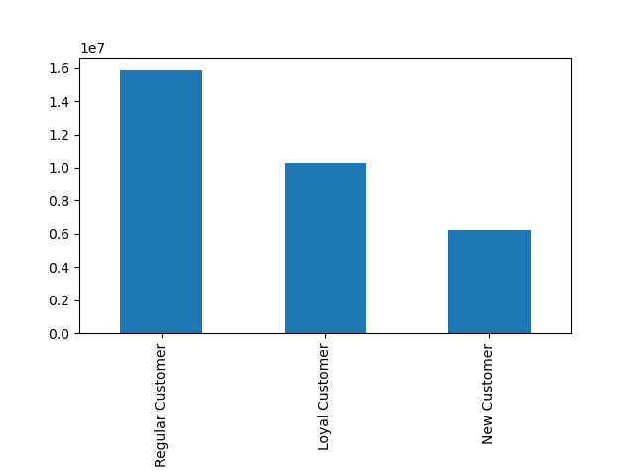

This chart represents the amount of customers that are either Regular customers, Loyal customers and New customers.
Loyal Customers have placed over 40 orders
Regular Customers have placed between 10 and 40 orders
New Customers have placed 10 or fewer orders

 | Are there differences in ordering habits based on a customer's loyalty status?
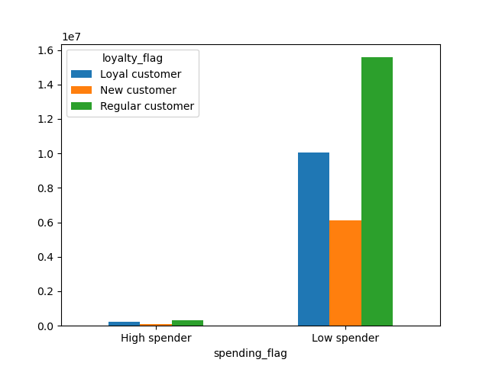
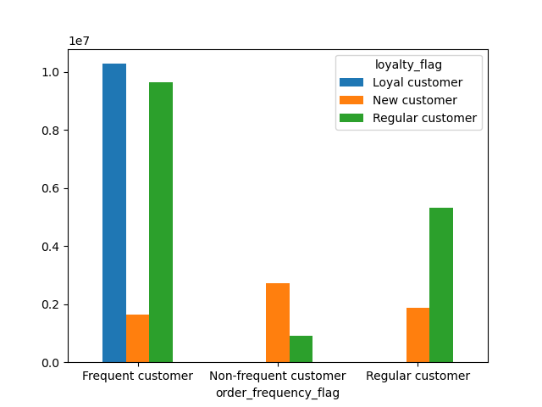

The graph on the top left doesn't really show much of a diiference between low spenders and high spenders. Whereas, the Graph on the top right shows a significant difference in the distribution loyalty based on the frequency of the customers shopping.
The graph on the bottom left shows the loyalty of customers living within each region. We can see that throughout each region there is not much difference. Same as the chart it seems to be little to no difference.

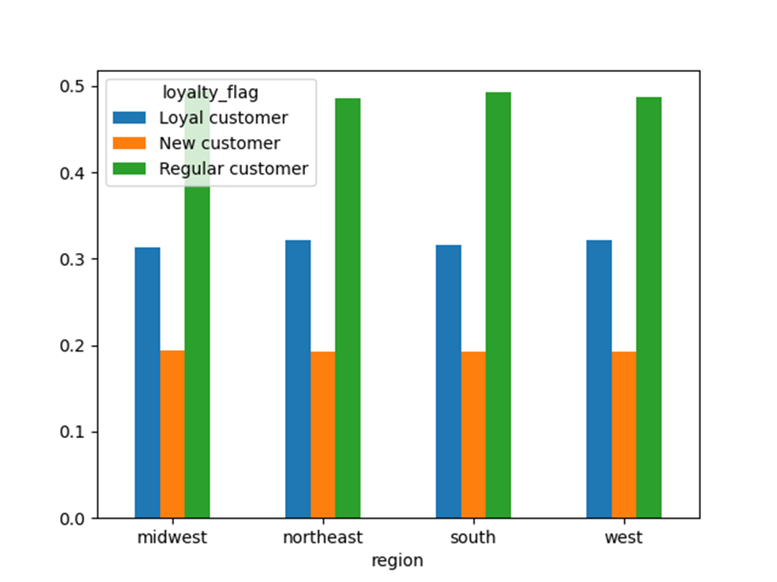
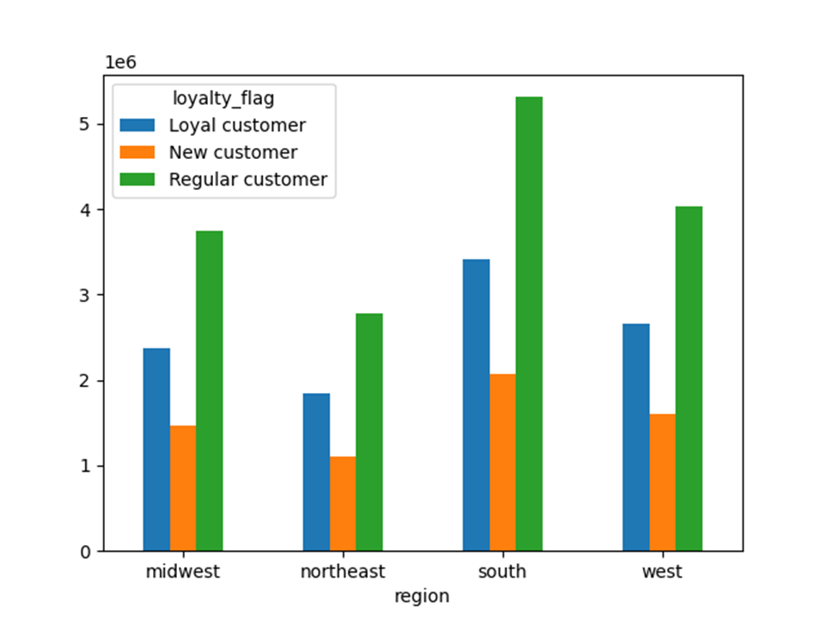

Question: Are there differences in ordering habits based on a customer's region?
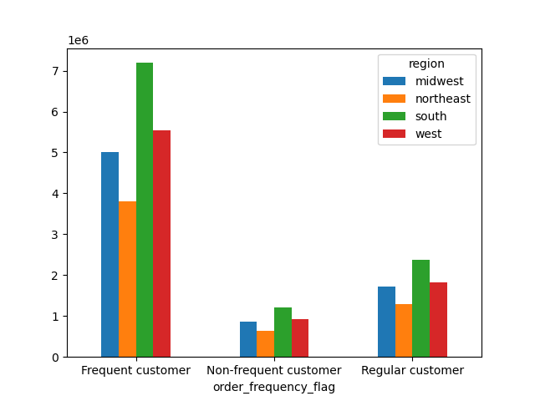
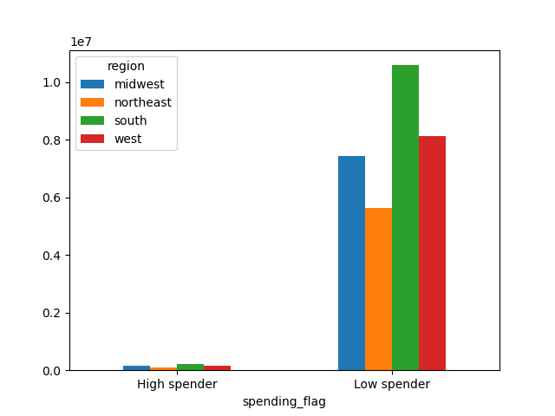

Based on these two charts you can see that the frequency of orders , as well as the amount of money that a customer is spending on products habits are not affected by region.

 | Question: Is there a connection between the age of Instacart customers and the number of dependents they have?


This chart shows the age of the customers with the number of dependants that they have. It shows an irregular pattern so there doesn't seem to be much of a trend within this graph.

 | Question: What different classifications does the demographic information suggest? Age? Income? Certain types of goods? Family status?
 | Question: What differences can you find in ordering habits of different customer profiles?

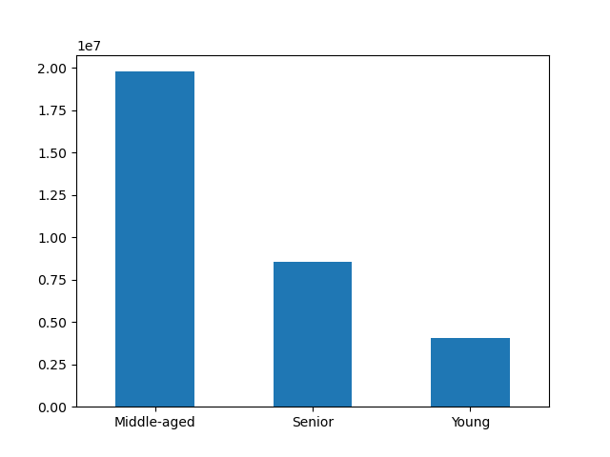
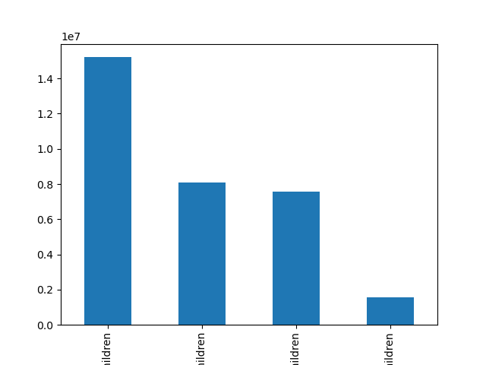

The graph on the top right :
First bar depicts those married with children
Second bar depicts those single no children
Third bar depicts those married no children
Fourth bar depicts those single with children

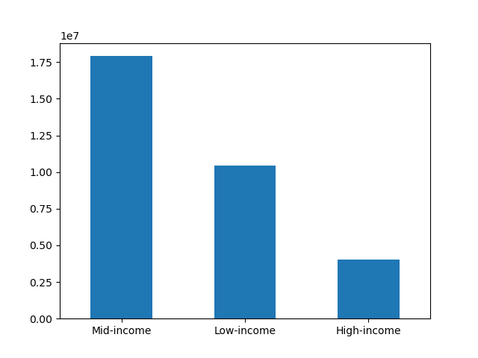
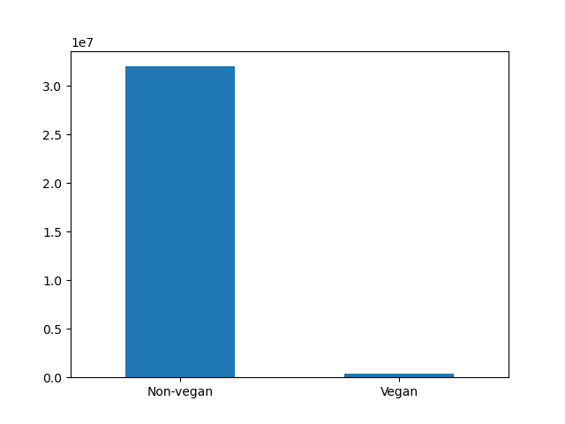

 |  | These graphs are broken down based on region
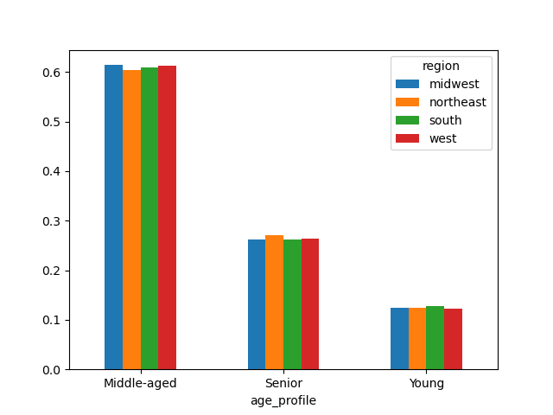

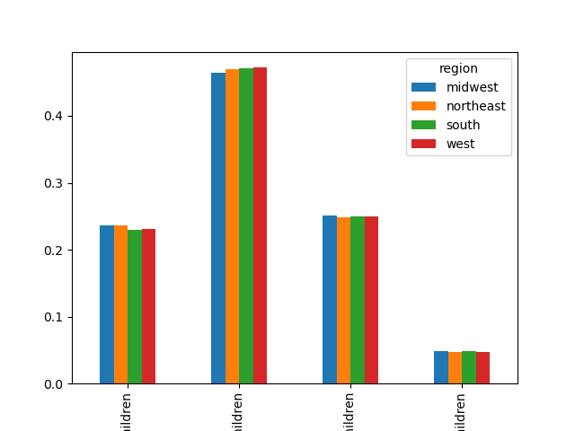
The graph on the top right :
First bar depicts those married with children
Second bar depicts those single no children
Third bar depicts those married no children
Fourth bar depicts those single with children

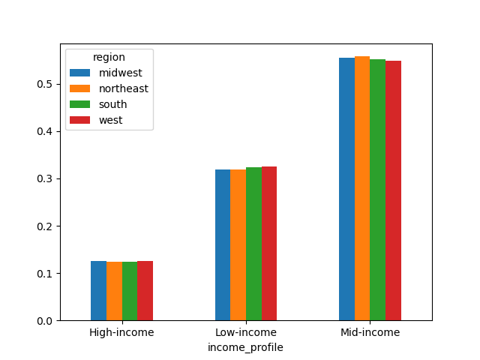
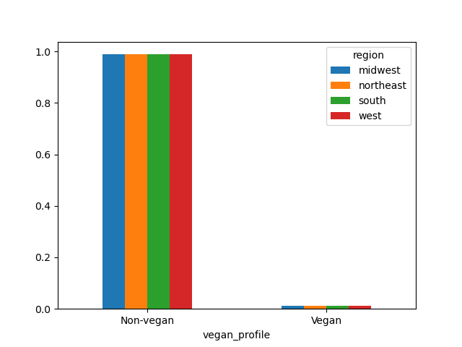

 |  | Here we are looking at the different profiles based on there department

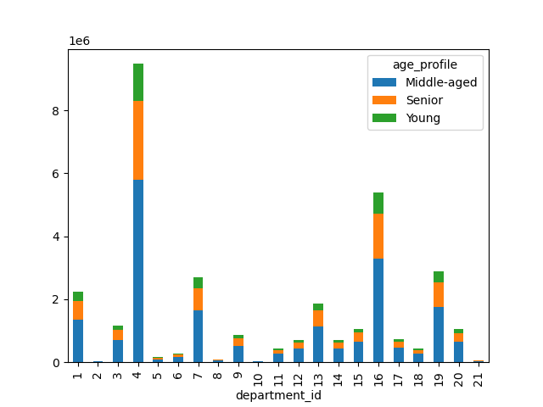
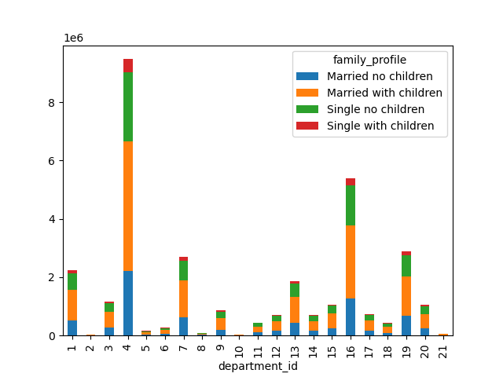

As you can see in the chart measuring the age, there is not much a difference in the popularity within the different departments. All of the popular items are relatively the same in each age group.
As you can see in the chart measuring the income, middle age customers purchase more produce than high income customer and low income customers.
As you can see in the chart that is mesuring family status, individuals who are married with children purchase more produce than individuals who are married with no children, single with no childern and single with children.
As you can see in the chart that is measuring food preference (vegan & non vegan) as you can see in the chart, one of the biggest differences for vegans is beverages

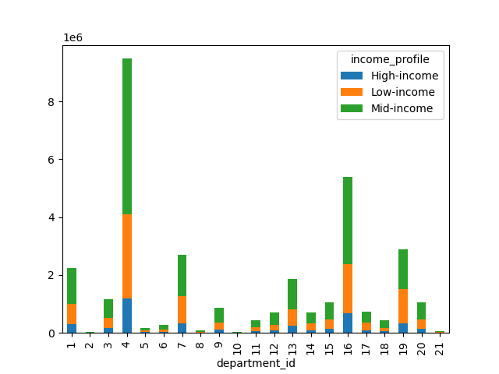
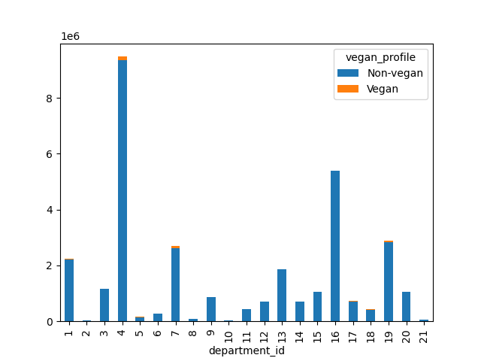



Based on this chart we can see income of younger adults middle age adults and older adults. Around the age of 40 and above is when the income of individuals start to increase. It shows that around this age is when more Instacart customers start earning between $200,000 and $300000. Also, it is when a few more individuals start earning over $400,000.

7. Recommendations
 | Title page

Recommendations

In this tab you should include any recommendations you would made to Instcart in terms of their marketing strategy based on the questions posed in the brief. Every key question has been covered in the Tasks of the Exercises - here you need to add an item - a visualisation or table/crosstable that is showing the answer in the data, acompanied by a comment from you. Please, list the questions below and add the answer underneath.

1. What are the busiest days of the week and busiest hours of the day?
A: The busiest days of the week are Saturday, Sunday and Friday, while the fewest orders are placed on Tuesday and Wednsday. The busiest hours of the day are between 9 and 17, while the slowest hours of the day are in the earlt mornings before 7am.
Reccomendation: Instacart should schedule ads on the days and hours that are the slowest, which would be on Tuesdays and Wednsdays around 3am-6am.

2. Are there particular times of the day when people spend the most money?
A: There is around a 10 cent difference between the average price of the time of day when customers purchase the most expensive items and the time of day when the customers purchase the least expensive items. The peak occurs around 4am and 10 am.
Recommendations: Instacart should put more ads on higher priced products in the early morning between 4am and 7am.

3. Instacart has a lot of products with different price tags. Marketing and sales want to use simpler price range groupings to help direct their efforts.
A: We have grouped products into low- mid- and high-range products.

4. Are there certain type of products that are popular than others?
A: Yes, department 4 and 16 have the most popular products which are produce and eggs/dairy.
Recommendations: Instacart can do more research on how they can increase revenue on there least popular item.

5. What's the distribution among users in regards to their brand loyalty?
A. Most of Instacart customers are mostly loyal. About half of the customers are regulars and about one third of the customers are very loyal.
Recommendations: To increase the amount of customer loyalty, Instacart should look into adding rewards or loyalty programs that offer discounts to loyal customers.

6. Are there differences in ordering habits based on a customer’s loyalty status ?
A. Based on loyalty status, Frequent customers orders the most, Non frequent customers order the least but this could be due to them being new customers.
Recommendations: Instacart should create advertisements to make the non frequent(new) customers a frequent customer so that there loyalty status can increase.

7. Are there differences in ordering habits based on a customer's region?
A: Based on the data that was collected region does not seem to pay a role in the customers ordering habits.
Recommendations: Since region does not impact a customers spending habit, Instacart should disregard region and explore other factors that could impact a customers ordering habits.

8. Is there a connection between age and family status in terms of ordering habits?
A: There seem to be little to no relationship between family and age. They don.t seem to have much of an impact on the amount of money that was spent at Instacart.
Recommendation: Since there is not a strong correlation between age and family habits in terms of ordering habits. Instacart should disregard these and explore other factors.

9. What different classifications does the demographic information suggest?
A: Based on the data was analyzed, there was not much of a trend

10. What differences can you find in ordering habits of different customer profiles?
A: We are comparing vegans and non-vegans, one of the differences that I see are for beverages, where most of the purchases made are by those who are vegans.
Recommendations: One thing that instacart can do is to create ads based on there food preference, so that everyone is incorporated

